Overview
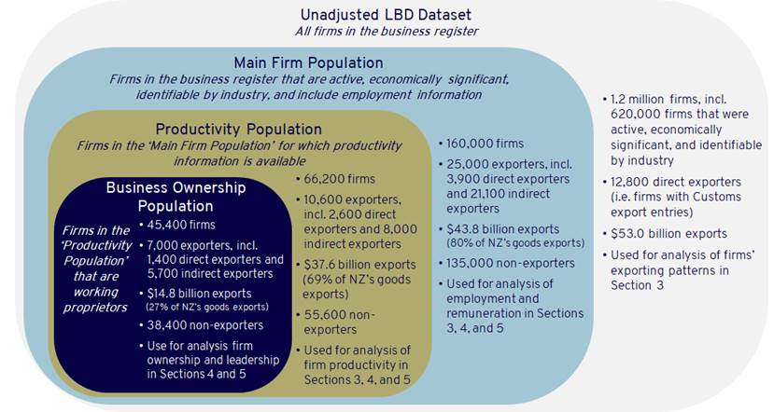
Description of Data within the spreadsheets

Overview | Figure 1

Overview
This data is the basis for the findings within the MFAT working paper- Inclusive and productive characteristics of New Zealand’s goods exporting firms. The user is encourage to read the methodology section within the paper to understand the caveats around the data.
The graphic presented to the left, indicates the various populations that are used within this dataset to describe groups of interests. In general, as we try to describe more and distinct parts of the firm population, this tends to shrink the sample sizes, due to limited number of observations.
This data is based on a 2018 cross-sectional cut for the March financial year-end period (June 2017 - March 2018).
All cells that have been supressed due to Statistics New Zealand guidelines are denoted by “S”.
Finally, the data has been arrange thematically, colour-coded by sheets. The below gives an overview of each colour-coded section.
Main-FirmPop-Overview & Firm-Prod (Yellow)
These two sheets contain data that describe high-level firm and employment information, as well as firm productivity information.
Main-FirmPop-Overview describes exporter and non-exporters within the Main Firm Population.
Firm-Prod describes a smaller subset of firms for which there is complete productivity information (employees and gross output) was available.
Gender & Ethnicity Employment information (Dark Blue Sheets)
The next six sheets describe employment information by gender and ethnicity separately. This information contains the number employed as well as mean and median gross monthly earning information.
All the tables are based off the Main Firm Population dataset, which are those who are economically significant, live, and associated to an Industry (about 160,000 firms) with a total employment population of 2.5 million
WP-Overview, Gender-WPs, & Ethnicity WPs (Orange sheets)
This data looks at Working Proprietor owned businesses by demographic information. That is, a business is female (male) WP owned, if the number of WP’s that are female (male) owned make up the majority of those WP’s associated with that firm. This is replicated for Māori vs non-Māori WP ownership.
The sample size tends to be small, as limited number of companies have WPs, alongside having productivity information. Caution is advised when interpreting these sets of data as it’s not clear the exact population this is representing in the broader context of business ownership.
FirmLed-Overview, Gend-Led, & Ethnicity-Led (Green Sheets)
The Green sheets, these data tables focus on gender led characteristics, which makes use of the Main firm population dataset.
To do this, we assume that the 5% highest paid employees in each firm constitute the firm’s managers and leaders. Where more than half of these employees were women, we define these as “female-led firms”; where more than half were men we define them as “male-led firms”; and where there were equal numbers of men and women we regard them as “split-led firms”. In small firms (i.e. those with less than 20 employees), the top 5% will be a single person, which in many cases will also be the owner. However, for the largest firms, the top 5% is likely to consist of the senior leadership team and perhaps the next tier of managers.
KEY CAVEATS AND CAUTIONS
There are a number of caveats to bear in mind when interpreting and applying the findings in this paper. These derive from the nature of the underlying data. While the use of individual and firm-level administrative data allows for a much more extensive “bottom-up” picture than is otherwise available for analysing distributional characteristics, it also involves a number of limitations.
Firstly, not all information is available for each dimension of interest for every firm. As a result, the populations used in this paper vary depending on the particular characteristics discussed. While employee information is available for all firms in our main exporter population, financial information for analysing firm productivity is only available for roughly two-thirds of firms, and information on business ownership is further constrained to only those firms that have working proprietors – i.e. firms where an owner or part owner is also employed by that firm. The different firm populations in our dataset are summarised in Figure 1.
Secondly, the dataset relies on export entries from the New Zealand Customs Service to identify exporting firms. As these entries only record the export of goods, only firms that exported goods in 2018 are included in our dataset. While services firms are not entirely excluded, since some exporting of goods occurs by firms in services industries, it does mean the analysis is heavily skewed towards goods industries. As exports of services represented almost a third of New Zealand’s total exports in 2018 ($25 billion) this is a notable gap. However, the unavailability of data currently prevents further analysis. Suggestions from practitioners of the IDI and LBD on how to bridge this gap would be welcomed.
The inability to identify services exports in the IDI and LBD also means that it is not possible to distinguish between purely domestic-focused firms (i.e. those that did not export either goods or services exports) and those that exported only services. As a result, our population of “non-exporters” includes firms that exported services. This is a key limitation for making comparisons between exporting firms and non-exporting firms, as the characteristics of our “non-exporter” population are influenced by services exporting firms. Again, we welcome suggestions from IDI and LBD practitioners on how to address this.
There are further challenges involved with linking trade data to individual firms. New Zealand firms are organised in the LBD into different enterprise groups – plant level firms, legal entities, and greater enterprise firms. These are organised in a vertical manner such that trade is often lodged at the wholesale or retail level further down the production chain, and it is not always possible to identify the firm that initially produced the exported good at the plant level. This can result, for example, in the allocation of a substantial proportion of goods trade to sectors for which no goods trade is expected to exist (for example, professional and financial services). In addition, as industry classifications are based on the industry of the final exporting firm rather than the product itself, the industry profile of exports differs to what is more commonly seen in trade analysis. In particular, manufacturing and wholesale trade exports are inflated while the significance of primary industry exporters is materially reduced.
Finally, the data provides a cross-sectional analysis for 2018. As our dataset provides a “snapshot” of trade in the 2018 financial year, it will not pick up longitudinal aspects of firms’ exporting patterns. It also does not capture the impacts of the COVID-19 pandemic on New Zealand’s exporting landscape. However, given the most significant trade impacts from COVID-19 have been on services trade, the findings in this paper are unlikely to be materially affected by the pandemic. We plan to expand the research to longitudinal analysis in the future.
See Fabling and Maré (2015a) for a more in depth discussion of working proprietors in the LBD. However, we follow a similar approach taken to Te Puni Kōkiri (2020).
For a full discussion of the underlying issues in the LBD see Fabling and Sanderson’s ‘A Rough Guide to New Zealand’s Longitudinal Business Database (2nd Edition)”.

